Hiearchy View
CLASS: RADIO ANTENNA UNIT
array of conductors (elements), electrically connected to the receiver or transmitter. |  | 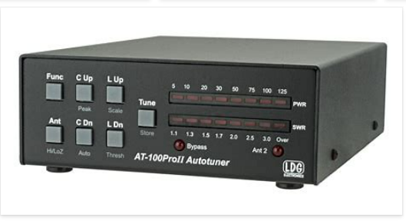
REMOVE | N

PROBLEM_DESC | CAUSE_DESC | REMEDY_DESC
BROKEN/DAMAGED
LIGHTING
NOISE
OTHER PROBLEM
POWER-ELEC
STOPPED/SLOWED/POOR OPS
TEMP-CTRL
Grand Total

